Matches win
Matches win
Row Labels | Batting | Bowling | Grand Total
Sri Lanka | 33 | 27 | 60
India | 19 | 40 | 59
Pakistan | 33 | 22 | 55
Bangladesh | 31 | 19 | 50
Afghanistan | 8 | 6 | 14
UAE | 2 | 6 | 8
Matches win by team wrt Bat first and Bowl first Since 1984
Hong Kong | 1 | 7 | 8
Grand Total | 127 | 127 | 254

Toss Based decision
Row Labels | Count of Result
Batting | 127
Bowling | 127
Grand Total | 254

Toss Decision based Winning %

Top10 venue
Count of Result | Column Labels
Row Labels | Batting | Bowling | Grand Total
Fatullah | 5 | 5 | 10
Abu Dhabi | 5 | 5 | 10
Colombo(SSC) | 8 | 8 | 16
Colombo(RPS) | 10 | 10 | 20
Dambulla | 10 | 10 | 20
Karachi | 10 | 10 | 20
Dhaka | 12 | 12 | 24
Sharjah | 14 | 14 | 28
Dubai(DSC) | 17 | 17 | 34
Mirpur | 24 | 24 | 48
Grand Total | 115 | 115 | 230

Top 10 venues with most matches and winning Based on Bat first and Bowl first

MoM
Row Labels | Count of Player Of The Match | Player name | MoM Won
Virat Kohli | 12 | Virat Kohli | 12
Shoaib Malik | 10 | Shoaib Malik | 10
Sanath Jayasuriya | 10 | Sanath Jayasuriya | 10
Shahid Afridi | 8 | Shahid Afridi | 8
Kumar Sangakkara | 8 | Kumar Sangakkara | 8
Arjuna Ranatunga | 6 | Arjuna Ranatunga | 6
Shikhar Dhawan | 6 | Shikhar Dhawan | 6
Lasith Malinga | 6 | Lasith Malinga | 6
Suresh Raina | 6 | Suresh Raina | 6
Marvan Atapattu | 6 | Marvan Atapattu | 6
Top 10 MoM Award Winners
Navjot Sidhu | 6
Umar Akmal | 4
Mohammad Azharuddin | 4
Shakib Al Hasan | 4
Mushfiqur Rahim | 4
Mohammad Hafeez | 4
Aravinda de Silva | 4
Mahmudullah | 4
Nuwan Zoysa | 4
Gautam Gambhir | 4
Ravindra Jadeja | 4
Sourav Ganguly | 4
Rohit Sharma | 4
Surinder Khanna | 4
Sachin Tendulkar | 4
Wasim Akram | 4
Ajantha Mendis | 4
Mohammad Yousuf | 4
Imran Nazir | 2
Roshan Mahanama | 2
Abdur Rauf | 2
Asanka Gurusinha | 2
Saeed Anwar | 2
Mohammad Ashraful | 2
Sohail Tanvir | 2
Athar Ali Khan | 2
Usman Shinwari | 2
Bhanuka Rajapaksa | 2
Sabbir Rahman | 2
Mohammad Nawaz | 2
Hardik Pandya | 2
Mohammad Rizwan | 2
Javed Omar | 2
Mohammad Shahzad | 2
Aizaz Cheema | 2
Wanindu Hasaranga de Silva | 2
Tillakaratne Dilshan | 2
Bhuvneshwar Kumar | 2
Virender Sehwag | 2
Younis Khan | 2
Roy Dias | 2
Aaqib Javed | 2
Angelo Mathews | 2
MS Dhoni | 2
Samiullah Shinwari | 2
Mujeeb Ur Rahman | 2
Shadab Khan | 2
Brendon Kuruppu | 2
Javed Miandad | 2
Dasun Shanaka | 2
Khurram Khan | 2
Dinesh Karthik | 2
Soumya Sarkar | 2
Rahmanullah Gurbaz | 2
Kusal Mendis | 2
Rahmat Shah | 2
Suryakumar Yadav | 2
Rahul Dravid | 2
Litton Das | 2
Rashid Khan | 2
Arshad Ayub | 2
Farveez Maharoof | 2
Manoj Prabhakar | 2
Fazalhaq Farooqi | 2
Yasir Hameed | 2
Mohsin Khan | 2
Moin Khan | 2
Moin ul Atiq | 2
(blank)
Grand Total | 252

Dashboard
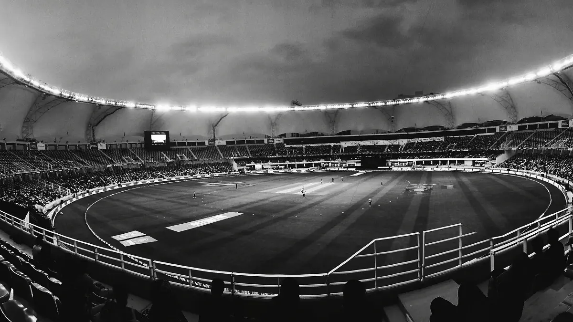
Asia Cup Analysis
1984-2022
Year
1984
Winner
India
Runner up
Sri Lanka
Player of series
Surinder Khanna

To show Matches win by team wrt Bat first and Bowl first Since 1984
 | Batting | Bowling
Sri Lanka | 33 | 27
India | 19 | 40
Pakistan | 33 | 22
Bangladesh | 31 | 19
Afghanistan | 8 | 6
UAE | 2 | 6
Hong Kong | 1 | 7
To show Toss Decision based Winning %
 | Total
Batting | 127
Bowling | 127
To show Top 10 venues with most matches and winning Based on Bat first and Bowl first
 | Batting | Bowling
Fatullah | 5 | 5
Abu Dhabi | 5 | 5
Colombo(SSC) | 8 | 8
Colombo(RPS) | 10 | 10
Dambulla | 10 | 10
Karachi | 10 | 10
Dhaka | 12 | 12
Sharjah | 14 | 14
Dubai(DSC) | 17 | 17
Mirpur | 24 | 24

Top 10 MoM Award Winners
 | MoM Won
Virat Kohli | 12
Shoaib Malik | 10
Sanath Jayasuriya | 10
Shahid Afridi | 8
Kumar Sangakkara | 8
Arjuna Ranatunga | 6
Shikhar Dhawan | 6
Lasith Malinga | 6
Suresh Raina | 6
Marvan Atapattu | 6

